TROLLEYS
SL.NO | PRODUCT | QTY | MODEL | BRAND | IMAGE | SPECIFICATION | HSN CODE | PRICE/PC | AMOUNT | GST | GST Value
1 | MAID ROOM TROLLEY | 12 |  | WALTHR | 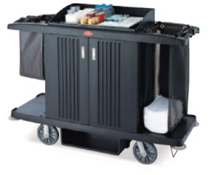 | FIBER ROOM SERVICE CART COLOR : BLACK WITH OPEN AND CLOSE ZIPPER BAG, 8 INCH PP WHEELS SIZE : 1560*580*1230 MM WITH CLOSED DOORS 2 FULL BAGS | 94030000 | ₹ 30,800.00 | ₹ 369,600.00 | 18% | ₹ 66,528.00
2 | LINEN TROLLEY | 12 | TR-HMLT001 | WALTHR | 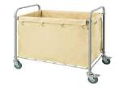 | SIZE (L*W*H) : 920 * 560 * 910 MM MATERIAL:MS POWDER COATED SOILED LINEN TROLLEY - CANVAS- BIG - COLOR: BLACK 4 RUBBER WHEELS FOR EASY MANEUVERABILITY 32MM DIA PIPE TUBE | 94038900 | ₹ 6,560.00 | ₹ 78,720.00 | 18% | ₹ 14,169.60
3 | CART LINEN DISTRIBUTION | 6 | SMI - F-002 | MELANGE |  | CAGE TROLLEY FOR FLOORS 880 L X 630W X 1820 MM H SPECIFICATION: - FRAME MADE OUT OF 25X25X1.6MM THK SQ TUBE SHELVES & RIBS- 1.2MM THK SHEET 4’’ X1 ½’’ RUBBER WHEELS WILL BE PROVIDED 4 SIDES COVERED WITH WELD MESH COMPLETELY MATT FINISH. | 94038900 | ₹ 30,400.00 | ₹ 182,400.00 | 18% | ₹ 32,832.00
 |  |  |  |  |  |  |  | TOTAL | ₹ 630,720.00 |  | ₹ 113,529.60

